grain size analysis
 |  |  |  |  |  |  |  |  |  | * grain-size distribution of bed material (2011)_wire grid

 |  |  |  |  |  |  |  |  |  | particle size time | D35(mm) | D50(mm) | D65(mm) | D90(mm) | 균등계수 Coefficient of uniformity (Cu) | 곡률계수 Coefficient of curvature (Cg)
 |  |  |  |  |  |  |  |  |  | 평균 (mean) | 0.54 | 0.70 | 0.86 | 1.13 | 2.82 | 1.04
before the flood (2011)
after the flood (2011)
mean
percent passing(%)
particle size (mm)

* particle size distribution of suspended sediment (2012) |  |  |  |  |  |  |  |  |  | * grain-size distribution of bed material (2012)

No | particle size distribution of suspended sediment (%) |  |  |  |  |  |  |  |  | particle size time | D10 | D30 | D35 | D60 | D65 | 균등계수 Coefficient of uniformity (Cu) | 곡률계수 Coefficient of curvature (Cg)
 | range (mm) |  |  |  |  |  |  |  | sum | 홍수전 (before the flood) | 0.30 | 0.44 | 0.47 | 0.66 | 0.69 | 1.50 | 0.98
 | 0.0020~ | 0.0222~ | 0.0313~ | 0.0423~ | 0.0626~ | 0.1251~ | 0.2501~ | 0.5001~ |  | 홍수후(after the flood ) | 0.17 | 0.26 | 0.31 | 0.52 | 0.58 | 2.00 | 0.78
 | 0.0221 | 0.0312 | 0.0422 | 0.0625 | 0.125 | 0.25 | 0.5 | 1 |  | 평균 (mean) | 0.21 | 0.37 | 0.40 | 0.61 | 0.66 | 1.67 | 1.05
1 | 58.4 | 12.8 | 16.8 | 6.2 | 5.3 | 0.3 | 0.2 | 0 | 100 | particle size time | D5 | D10 | D15 | D20 | D25 | D30 | D35 | D40 | D45 | D50 | D55 | D60 | D65 | D70 | D75 | D80 | D85 | D90 | D95 | D100
2 | 55.2 | 15.3 | 15.9 | 5.8 | 5 | 1.7 | 0.7 | 0.4 | 100 | 홍수전 (before the flood) | 0.25 | 0.30 | 0.34 | 0.37 | 0.41 | 0.44 | 0.47 | 0.50 | 0.55 | 0.58 | 0.63 | 0.66 | 0.69 | 0.74 | 0.77 | 0.82 | 0.85 | 0.90 | 0.95 | 16.00
3 | 47.4 | 13.8 | 19.6 | 9 | 6.6 | 1.9 | 1 | 0.7 | 100 | 홍수후 (after the flood ) | 0.14 | 0.17 | 0.19 | 0.21 | 0.23 | 0.26 | 0.31 | 0.35 | 0.38 | 0.43 | 0.47 | 0.52 | 0.58 | 0.64 | 0.71 | 0.77 | 0.84 | 0.92 | 1.92 | 16.00
4 | 49.8 | 14.4 | 19.1 | 7.7 | 6.3 | 2 | 0.5 | 0.2 | 100 | 평균 (mean) | 0.17 | 0.21 | 0.24 | 0.27 | 0.32 | 0.37 | 0.40 | 0.44 | 0.47 | 0.50 | 0.56 | 0.61 | 0.66 | 0.71 | 0.74 | 0.80 | 0.84 | 0.90 | 0.96 | 16.00
5 | 48.5 | 15 | 15.1 | 8.1 | 12.6 | 0.3 | 0.2 | 0.2 | 100
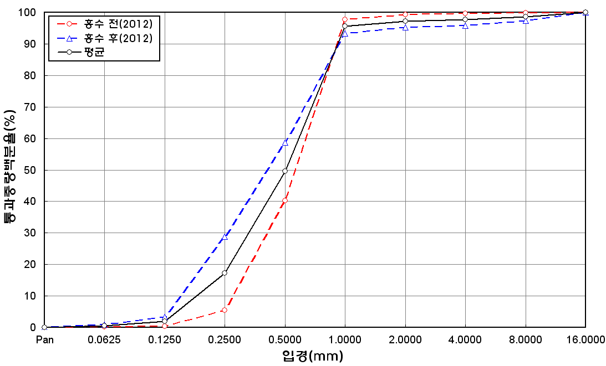
percent passing(%)
mean
particle size (mm)
before the flood (2012)
after the flood (2012)
6 | 50.4 | 14.5 | 16.7 | 8.8 | 9.5 | 0.1 | 0 | 0 | 100
7 | 39.8 | 22.9 | 20.4 | 8.4 | 8.4 | 0.1 | 0 | 0 | 100
8 | 59.7 | 17.4 | 10 | 1.6 | 2.9 | 5.3 | 3 | 0.1 | 100
9 | 54.7 | 22.8 | 17.7 | 1.8 | 2.9 | 0.1 | 0 | 0 | 100
10 | 49.9 | 15.2 | 16.9 | 5.9 | 4.7 | 4.6 | 2.5 | 0.3 | 100
11 | 50.2 | 14.4 | 15.5 | 7 | 7 | 3.9 | 1.7 | 0.3 | 100
12 | 51.2 | 17.6 | 18.6 | 5 | 3.4 | 2.3 | 1.8 | 0.1 | 100
13 | 51.8 | 16.8 | 20.3 | 5.6 | 3.3 | 1.2 | 0.7 | 0.3 | 100
14 | 48.7 | 19.9 | 22.1 | 5.1 | 2.5 | 1.1 | 0.5 | 0.1 | 100
15 | 48.3 | 18.9 | 22 | 6.3 | 2.7 | 0.9 | 0.8 | 0.1 | 100
16 | 49.6 | 19.1 | 20.3 | 6 | 3.3 | 1.1 | 0.5 | 0.1 | 100
17 | 50.8 | 15.7 | 21.2 | 8.2 | 3 | 0.8 | 0.2 | 0.1 | 100
18 | 48.1 | 15 | 24.3 | 7.3 | 3.9 | 0.7 | 0.5 | 0.2 | 100
19 | 47.8 | 17.1 | 22.7 | 7 | 3.6 | 0.9 | 0.8 | 0.1 | 100
20 | 55.8 | 10.3 | 19.8 | 7.1 | 3.7 | 1.8 | 1.5 | 0 | 100
21 | 49.4 | 12.1 | 17.7 | 8.9 | 10.7 | 1.1 | 0.1 | 0 | 100
22 | 50.3 | 13.8 | 17.5 | 8.9 | 7.4 | 1.1 | 1 | 0 | 100
23 | 55.5 | 8.6 | 17.1 | 10 | 7.9 | 0.6 | 0.3 | 0 | 100
24 | 44.1 | 14.2 | 24.2 | 11.8 | 5.7 | 0 | 0 | 0 | 100
25 | 40.9 | 10.7 | 18.3 | 13.5 | 11.2 | 3.4 | 1.4 | 0.6 | 100
26 | 42.9 | 12.8 | 17.8 | 11.6 | 12.8 | 1.9 | 0.2 | 0 | 100
27 | 43.8 | 13.2 | 19.1 | 11.4 | 9.7 | 2 | 0.4 | 0.4 | 100
min | 39.8 | 8.6 | 10 | 1.6 | 2.5 | 0 | 0 | 0 | -
max | 59.7 | 22.9 | 24.3 | 13.5 | 12.8 | 5.3 | 3 | 0.7 | -
mean | 49.7 | 15.3 | 18.8 | 7.6 | 6.1 | 1.5 | 0.8 | 0.2 | 100

* grain-size distribution of bed material (2014) _ grid sampling(Hack_1947)

* particle size distribution of suspended sediment (2014)_Laser Diffraction
 |  |  |  |  |  |  |  |  |  | * grain-size distribution of bed material (2014)_Sieve
No | particle size distribution of suspended sediment (%)
 | range (mm) |  |  |  |  |  |  |  |  | particle size time | D10 | D30 | D35 | D60 | D65 | 균등계수 Coefficient of uniformity (Cu) | 곡률계수 Coefficient of curvature (Cg)
 | 0.0020~ | 0.063~ | 0.126~ | 0.26~ | 0.51~ | 1.1~ | 2.1~ | 4.1~ |  | 홍수전 (before the flood) | 0.50 | 0.73 | 0.76 | 0.99 | 1.06 | 1.98 | 1.08
 | 0.062 | 0.125 | 0.25 | 0.5 | 1 | 2 | 4 | 8 |  | 홍수후(after the flood ) | 0.36 | 0.63 | 0.67 | 0.89 | 0.94 | 2.47 | 1.24
1 | 82.24 | 12.49 | 2.53 | 0.28 | 0.17 | 0.37 | 0.14 | 0 |  | 평균 (mean) | 0.43 | 0.68 | 0.72 | 0.94 | 1.00 | 2.19 | 1.14
2 | 76.05 | 12.17 | 4.58 | 1.25 | 0.45 | 1.88 | 0.14 | 0 |  | particle size time | D5 | D10 | D15 | D20 | D25 | D30 | D35 | D40 | D45 | D50 | D55 | D60 | D65 | D70 | D75 | D80 | D85 | D90 | D95 | D100
3 | 79.32 | 11.66 | 5.93 | 1.07 | 0.03 | 0 | 0 | 0 |  | 홍수전 (before the flood) | 0.35 | 0.50 | 0.54 | 0.61 | 0.65 | 0.73 | 0.76 | 0.80 | 0.84 | 0.88 | 0.95 | 0.99 | 1.06 | 1.10 | 1.14 | 1.17 | 1.27 | 1.54 | 1.73 | 2.00
4 | 74.17 | 11.71 | 7.79 | 2.91 | 1.25 | 0.15 | 0 | 0 |  | 홍수후 (after the flood ) | 0.29 | 0.36 | 0.44 | 0.54 | 0.58 | 0.63 | 0.67 | 0.72 | 0.76 | 0.81 | 0.85 | 0.89 | 0.94 | 0.98 | 1.03 | 1.07 | 1.12 | 1.18 | 1.55 | 2.00
5 | 78.87 | 11.07 | 6.19 | 1.3 | 0.1 | 0 | 0 | 0 |  | 평균 (mean) | 0.32 | 0.43 | 0.49 | 0.58 | 0.62 | 0.68 | 0.72 | 0.76 | 0.80 | 0.85 | 0.90 | 0.94 | 1.00 | 1.04 | 1.09 | 1.12 | 1.20 | 1.36 | 1.64 | 2.00
6 | 78.59 | 13.04 | 5.67 | 0.49 | 0 | 0 | 0 | 0
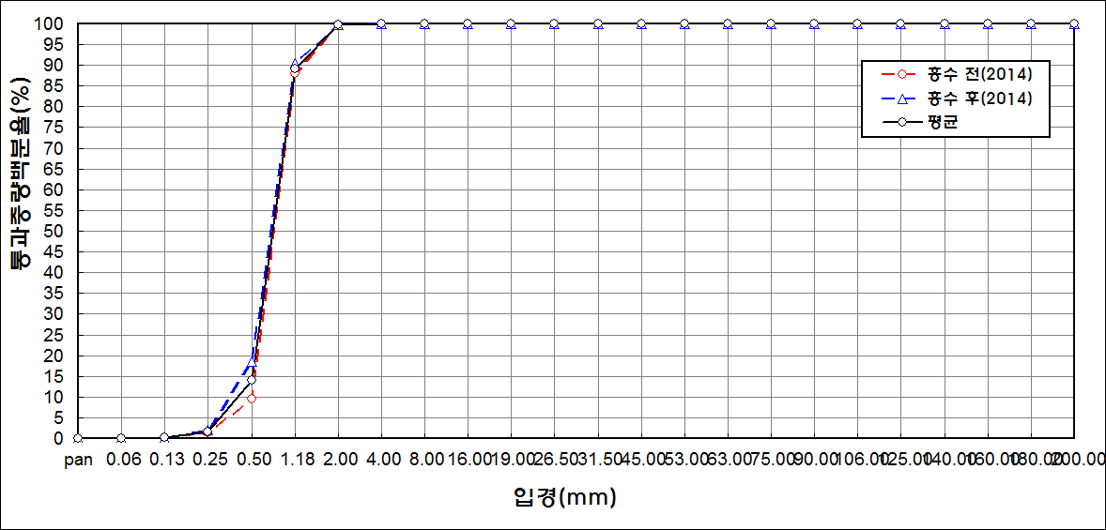
percent passing(%)
particle size (mm)
before the flood (2014)
after the flood (2014)
mean
7 | 80.18 | 10.79 | 5.2 | 1.14 | 0.08 | 0 | 0 | 0
8 | 82.15 | 7.04 | 3.55 | 0.8 | 0.05 | 0 | 0 | 0
9 | 82.79 | 9.46 | 4.31 | 0.42 | 0.33 | 0.4 | 0.18 | 0
10 | 83.21 | 9.39 | 4.51 | 0.61 | 0.03 | 0 | 0 | 0
11 | 85.28 | 9.46 | 2.82 | 0.23 | 0.03 | 0 | 0 | 0
12 | 82.55 | 9.24 | 4.91 | 0.56 | 0.04 | 0 | 0 | 0
13 | 84.03 | 9.62 | 3.95 | 0.01 | 0 | 0 | 0 | 0
14 | 83.69 | 10.04 | 3.75 | 0.15 | 0 | 0 | 0 | 0
15 | 85.85 | 9.29 | 2.23 | 0 | 0 | 0 | 0 | 0
16 | 85.85 | 9.74 | 2.14 | 0 | 0 | 0 | 0 | 0
17 | 85.41 | 10.79 | 2.75 | 0 | 0 | 0 | 0 | 0
18 | 82.93 | 9.77 | 4.66 | 0.29 | 0 | 0 | 0 | 0
mean | 81.84 | 10.38 | 4.3 | 0.64 | 0.14 | 0.16 | 0.03 | 0

